Presentation
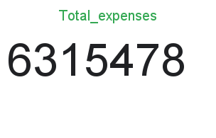
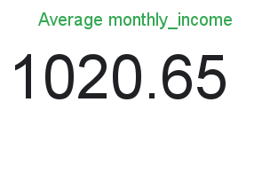
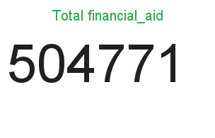
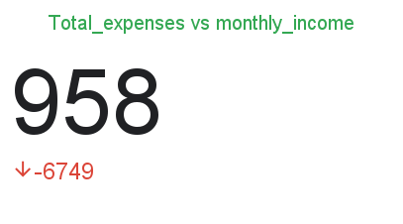
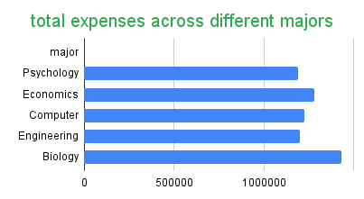
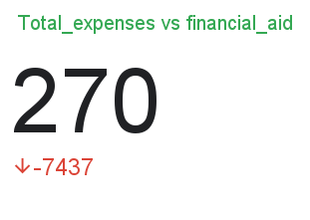
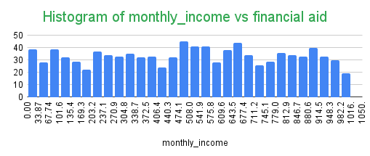
 | EXPENSE DASHBOARD

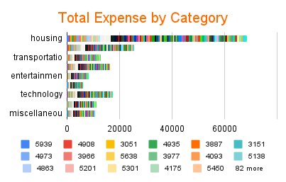
Total_expenses vs monthly_income
 | Total_expenses
958 | 7707
1006 | 6756
734 | 4810
617 | 6665
810 | 5828
523 | 4755
1354 | 6878
631 | 5546
1402 | 7520
1423 | 5690
762 | 5765
1068 | 7205
719 | 6679
1176 | 6909
1496 | 6815
1227 | 6272
1419 | 7679
1454 | 5174
1487 | 6281
1157 | 5133
1180 | 5719
516 | 6854
1225 | 6443
582 | 5798
1062 | 6249
1054 | 7649
667 | 5420
796 | 7545
905 | 5577
531 | 4985
1426 | 7616
1465 | 7155
522 | 7093
1338 | 7448
1363 | 4820
1328 | 4930
1350 | 5999
1309 | 6906
965 | 7128
600 | 7450
605 | 7378
804 | 6936
1274 | 6406
509 | 5822
1285 | 5543
929 | 5570
1163 | 6526
1195 | 7057
1036 | 5918
588 | 6285
...
Filters

Expense contribution by Category
 | Total_expenses
 | 7707
 | 6756
 | 4810
 | 6665
 | 5828
 | 4755
 | 6878
 | 5546
 | 7520
 | 5690
 | 5765
 | 7205
 | 6679
 | 6909
 | 6815
 | 6272
 | 7679
 | 5174
 | 6281
 | 5133
 | 5719
 | 6854
 | 6443
 | 5798
 | 6249
 | 7649
 | 5420
 | 7545
 | 5577
 | 4985
 | 7616
 | 7155
 | 7093
 | 7448
 | 4820
 | 4930
 | 5999
 | 6906
 | 7128
 | 7450
 | 7378
 | 6936
 | 6406
 | 5822
 | 5543
 | 5570
 | 6526
 | 7057
 | 5918
 | 6285
...
 |  | age | major
 |  | 18 |  |  |  |  | 18 Total | 19 |  |  |  |  | 19 Total | 20 |  |  |  |  | 20 Total | 21 |  |  |  |  | 21 Total | 22 |  |  |  |  | 22 Total | 23 |  |  |  |  | 23 Total | 24 |  |  |  |  | 24 Total | 25 |  |  |  |  | 25 Total | Grand Total
 |  | Biology | Computer Science | Economics | Engineering | Psychology |  | Biology | Computer Science | Economics | Engineering | Psychology |  | Biology | Computer Science | Economics | Engineering | Psychology |  | Biology | Computer Science | Economics | Engineering | Psychology |  | Biology | Computer Science | Economics | Engineering | Psychology |  | Biology | Computer Science | Economics | Engineering | Psychology |  | Biology | Computer Science | Economics | Engineering | Psychology |  | Biology | Computer Science | Economics | Engineering | Psychology

 | major
18 |  |  |  |  | 0 | 19 |  |  |  |  | 0 | 20
Biology | 0 | 0 | 0 | 0 |  | 0 | 0 | 0 | 0 | 0 |  | 0

